Disturbance list
Bipartite
Case Study | DS # | Details | Difference from normal | is it the same as another study | other notes
9bus | 1 | Generator 1 and bus 6 and bus 9 out | no
 | 2 | relay 13 and relay 20 out | yes
 | 3 | DS1 +DS2 | yes | same as DS2
 | 4 | bus 7 and 9 connection outaqge, and bus 6 and 4 connection outage | no
 | 5 | cc and substation c1 (relays 5-7 outage) | yes
 | 6 | ds4 + ds5 | yes | same as DS5
new proposed | 7 | DS5 + substation C1 buses (b3, b9, b6) buses are full outages | yes
not created yet | 8 | b4, b6, b9 full outage (surrounds load 6) | yes
not created yet | 9 | randomized half relay outage (r6, r15, r5, r16, r7, r19, r3, r21, r9, r8) | yes |  | 3,5,6,7,8,9,15,16,19,21

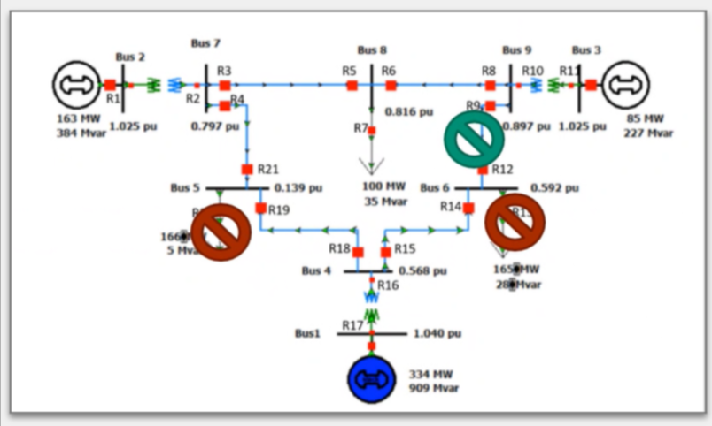
200bus | 1 | b1 and B3 out
 | 2 | B137, B4, R-L4-1, R-B4-3-1, HMI-2, router-2 out
 | 3 | DS1 +DS2
 | 4 | DS2 + B140, B30, SW-30, R-B30-29-1, router-12
 | 5 | SW-193, router-82, router-98, FW-5
 | 6 | G1-G55
 | 7 | half of all FW, relays, routers
 | 8 | SW1-Sw60
 | 9 | Full SW
 | 10 | Full FW

